Sheet1
MEN'S PIQUE POLOS
CARHARTT
Single Style
Sizes: S - XL (12-24-24-12)
Assorted size/ solid colour per case
4 colours (black, navy, h. grey, charcoal)
72 case pack
RETAIL $52.99
OFFER PRICE $14.75
Total Qty avail: 4,464units (subject to final count at time of sale/ subject to prior sale)
quantity varies by colour
PICTURE | D E S C R I P T I O N | Style Code | Color | Quantities |  |  |  |  | TOTAL | PRICE
 |  | # |  | s | M | L | XL | XXL | PCS
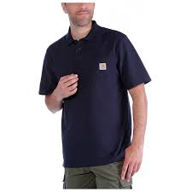
 | CARHART MENS PQIUE POLO | MCR6CSLC | BLACK | 180 | 360 | 360 | 180 |  | 1,080
 | SHIRTS | MCR6CSLC | NAVY | 96 | 192 | 192 | 96 |  | 576
 | EACH BOX 72 PCS | MCR6CSLC | HGREY | 276 | 552 | 552 | 276 |  | 1,656
 | EXPORT CARTON | MCR6CSLC | CHARCOAL | 192 | 384 | 384 | 192 |  | 1,152

 |  |  |  | 744 | 1488 | 1488 | 744 |  | 4464 | $14.75
